Sheet1
 |  | Document No. | Issue No. | Issue Date |  |  | Review and Replace Date |  | Authorised By
 |  | GFF165MC | 5 | 20.03.2020 |  |  | 08.10.2025 |  | Magda Shah
 |  | Document Title | ONION BHAJI 80g
Document amendments reason for change |  | Film Updated |  |  | Page 1 of 1 |  | Previous Issue Date | 08.08.2022 | Uncontrolled copy unless signed original

COBHC3-G6T | GAZEBO |  | ONION BHAJI 80g
STEP 1 |  |  |  |  |  | STEP 2
 |  |  |  |  |  | 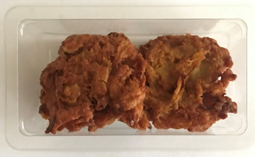

Tray: Single Cavity /F145 (PKLEE001-05) |  |  |  |  |  | 2 x 40g Onion Bhaji (GFF121R): 80g |  |  | Total Weight: 80g
Film: K peel 7G+25A/f-240mm (240mmX1000)- PKKMP001-08
ALLERGY ALERT: NONE

